Q8 chi-sq
Solution question( 8) |  | Sheet#3

0.943
0.398 |  | k=#of interval |  | 5
0.372 |  | n=#of observation |  | 18
${(ci−np)}^{2}$/np
0.943
0.204 |  | i | start | end | Pi | Ci | np
0.794 |  | 1 | 0 | 0.2 | 0.2 | 3 | 3.6 | 0.1
0.498 |  | 2 | 0.2 | 0.4 | 0.2 | 6 | 3.6 | 1.6
0.528 |  | 3 | 0.4 | 0.6 | 0.2 | 4 | 3.6 | 0.044444444444
0.272 |  | 4 | 0.6 | 0.8 | 0.2 | 1 | 3.6 | 1.8777777778
0.899 |  | 5 | 0.8 | 1 | 0.2 | 4 | 3.6 | 0.044444444444
0.294 |  |  |  |  | n= | 18
0.156 |  |  |  |  |  |  |  | 3.6666666667
0.102
$$χ^{2}$$
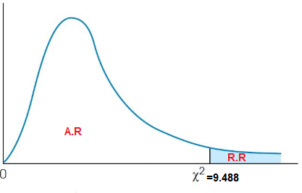
0.057
0.409 |  |  |  |  |  | from Table |  | 9.4877290368 | 1-alph; k-1
0.398
0.4
0.997
 |  |  |  |  | H0 is not rejected
 |  |  |  |  | Accept H0

 | n= |  |  | 18
 | #interval= |  |  | 5
 | alpha= |  |  | 0.05
 | chi(#interval-1,1-alpha)= |  |  | 9.4877290368
 | p-value=P(chi(#interval-1)>chi0)= |  |  | 0.45299261389

Q8 K-S test
Solution question( 8) |  |  | Sheet#3

i | R(i) | i/N | (i/N)-R(i) | (i-1)/N | R(i)-((i-1)/N)
1 | 0.057 | 0.055555555556 | -0.0014444444444 | 0 | 0.057
2 | 0.102 | 0.11111111111 | 0.0091111111111 | 0.055555555556 | 0.046444444444
3 | 0.156 | 0.16666666667 | 0.010666666667 | 0.11111111111 | 0.044888888889
4 | 0.204 | 0.22222222222 | 0.018222222222 | 0.16666666667 | 0.037333333333
5 | 0.272 | 0.27777777778 | 0.0057777777778 | 0.22222222222 | 0.049777777778
6 | 0.294 | 0.33333333333 | 0.039333333333 | 0.27777777778 | 0.016222222222
7 | 0.372 | 0.38888888889 | 0.016888888889 | 0.33333333333 | 0.038666666667
8 | 0.398 | 0.44444444444 | 0.046444444444 | 0.38888888889 | 0.0091111111111
9 | 0.398 | 0.5 | 0.102 | 0.44444444444 | -0.046444444444
10 | 0.4 | 0.55555555556 | 0.15555555556 | 0.5 | -0.1
11 | 0.409 | 0.61111111111 | 0.20211111111 | 0.55555555556 | -0.14655555556
12 | 0.498 | 0.66666666667 | 0.16866666667 | 0.61111111111 | -0.11311111111
13 | 0.528 | 0.72222222222 | 0.19422222222 | 0.66666666667 | -0.13866666667
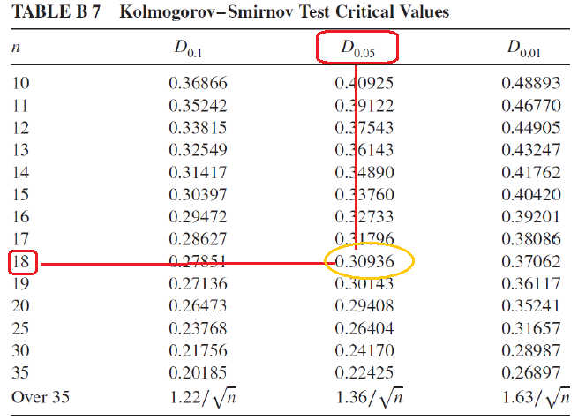
14 | 0.794 | 0.77777777778 | -0.016222222222 | 0.72222222222 | 0.071777777778
15 | 0.899 | 0.83333333333 | -0.065666666667 | 0.77777777778 | 0.12122222222
16 | 0.943 | 0.88888888889 | -0.054111111111 | 0.83333333333 | 0.10966666667
17 | 0.943 | 0.94444444444 | 0.0014444444444 | 0.88888888889 | 0.054111111111
18 | 0.997 | 1 | 0.003 | 0.94444444444 | 0.052555555556

 |  | D+ | 0.20211111111 | D- | 0.12122222222

 |  | D | 0.20211111111
 | from table | D(0.05) | 0.32055507414

 |  | D(0.05)>D
 |  | H0 is not rejected

Lec.06 chi-sq
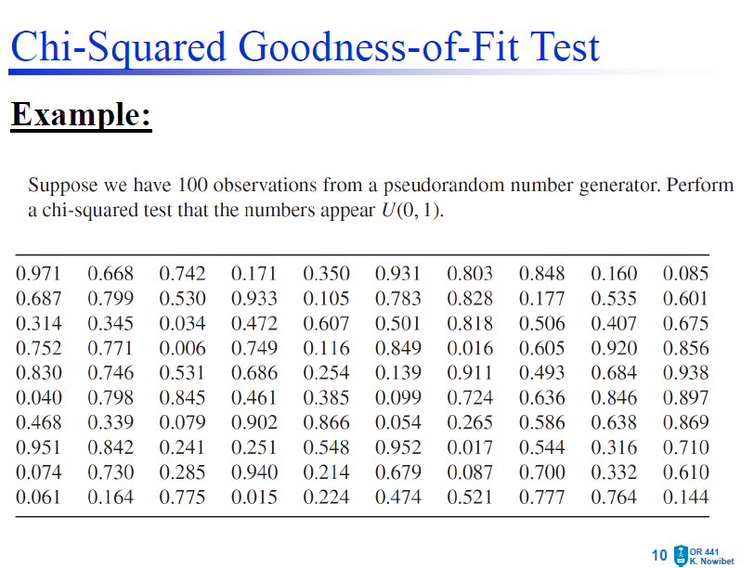
0.971
0.668
0.742 | i | bi-1 | bi | ci | npi | (ci-npi)^2/npi
0.171 | 1 | 0 | 0.1 | 13 | 10 | 0.9
0.35 | 2 | 0.1 | 0.2 | 8 | 10 | 0.4
0.931 | 3 | 0.2 | 0.3 | 7 | 10 | 0.9
0.803 | 4 | 0.3 | 0.4 | 7 | 10 | 0.9
0.848 | 5 | 0.4 | 0.5 | 6 | 10 | 1.6
0.16 | 6 | 0.5 | 0.6 | 9 | 10 | 0.1
0.085 | 7 | 0.6 | 0.7 | 12 | 10 | 0.4
0.687 | 8 | 0.7 | 0.8 | 15 | 10 | 2.5
0.799 | 9 | 0.8 | 0.9 | 13 | 10 | 0.9
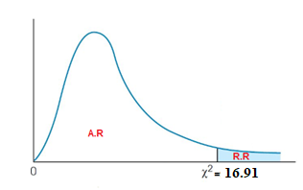
0.53 | 10 | 0.9 | 1 | 10 | 10 | 0
0.933 | Total |  |  | 100 |  | 8.6
0.105
0.783
$$χ^{2}$$
0.828
0.177 |  |  |  |  |  |  | 16.918977605
0.535 |  |  |  |  |  |  | 1-alph; k-1
0.601
0.314
0.345
0.034
0.472 |  |  |  |  |  | H0 is not rejected
0.607 |  |  |  |  |  | Accept H0
0.501
0.818
0.506
0.407
0.675
0.752 |  |  | n= |  |  | 100
0.771 |  |  | #interval= |  |  | 10
0.006 |  |  | alpha= |  |  | 0.05
0.749 |  |  | chi(#interval-1,1-alpha)= |  |  | 16.918977605
0.116 |  |  | p-value=P(chi(#interval-1)>chi0)= |  |  | 0.47498568665
0.849
0.016
0.605
0.92
0.856
0.83
0.746
0.531
0.686
0.254
0.139
0.911
0.493
0.684
0.938
0.04
0.798
0.845
0.461
0.385
0.099
0.724
0.636
0.846
0.897
0.468
0.339
0.079
0.902
0.866
0.054
0.265
0.586
0.638
0.869
0.951
0.842
0.241
0.251
0.548
0.952
0.017
0.544
0.316
0.71
0.074
0.73
0.285
0.94
0.214
0.679
0.087
0.7
0.332
0.61
0.061
0.164
0.775
0.015
0.224
0.474
0.521
0.777
0.764
0.144

Lec.06 K-S test
0.971
0.668 | i | R(i) | i/N | (i/N)-R(i) | (i-1)/N | R(i)-((i-1)/N)
0.742 | 1 | 0.006 | 0.01 | 0.004 | 0 | 0.006
0.171 | 2 | 0.015 | 0.02 | 0.005 | 0.01 | 0.005
0.35 | 3 | 0.016 | 0.03 | 0.014 | 0.02 | -0.004
0.931 | 4 | 0.017 | 0.04 | 0.023 | 0.03 | -0.013
0.803 | 5 | 0.034 | 0.05 | 0.016 | 0.04 | -0.006
0.848 | 6 | 0.04 | 0.06 | 0.02 | 0.05 | -0.01
0.16 | 7 | 0.054 | 0.07 | 0.016 | 0.06 | -0.006
0.085 | 8 | 0.061 | 0.08 | 0.019 | 0.07 | -0.009
0.687 | 9 | 0.074 | 0.09 | 0.016 | 0.08 | -0.006
0.799 | 10 | 0.079 | 0.1 | 0.021 | 0.09 | -0.011
0.53 | 11 | 0.085 | 0.11 | 0.025 | 0.1 | -0.015
0.933 | 12 | 0.087 | 0.12 | 0.033 | 0.11 | -0.023
0.105 | 13 | 0.099 | 0.13 | 0.031 | 0.12 | -0.021
0.783 | 14 | 0.105 | 0.14 | 0.035 | 0.13 | -0.025
0.828 | 15 | 0.116 | 0.15 | 0.034 | 0.14 | -0.024
0.177 | 16 | 0.139 | 0.16 | 0.021 | 0.15 | -0.011
0.535 | 17 | 0.144 | 0.17 | 0.026 | 0.16 | -0.016
0.601 | 18 | 0.16 | 0.18 | 0.02 | 0.17 | -0.01
0.314 | 19 | 0.164 | 0.19 | 0.026 | 0.18 | -0.016
0.345 | 20 | 0.171 | 0.2 | 0.029 | 0.19 | -0.019
0.034 | 21 | 0.177 | 0.21 | 0.033 | 0.2 | -0.023
0.472 | 22 | 0.214 | 0.22 | 0.006 | 0.21 | 0.004
0.607 | 23 | 0.224 | 0.23 | 0.006 | 0.22 | 0.004
0.501 | 24 | 0.241 | 0.24 | -0.001 | 0.23 | 0.011
0.818 | 25 | 0.251 | 0.25 | -0.001 | 0.24 | 0.011
0.506 | 26 | 0.254 | 0.26 | 0.006 | 0.25 | 0.004
0.407 | 27 | 0.265 | 0.27 | 0.005 | 0.26 | 0.005
0.675 | 28 | 0.285 | 0.28 | -0.005 | 0.27 | 0.015
0.752 | 29 | 0.314 | 0.29 | -0.024 | 0.28 | 0.034
0.771 | 30 | 0.316 | 0.3 | -0.016 | 0.29 | 0.026
0.006 | 31 | 0.332 | 0.31 | -0.022 | 0.3 | 0.032
0.749 | 32 | 0.339 | 0.32 | -0.019 | 0.31 | 0.029
0.116 | 33 | 0.345 | 0.33 | -0.015 | 0.32 | 0.025
0.849 | 34 | 0.35 | 0.34 | -0.01 | 0.33 | 0.02
0.016 | 35 | 0.385 | 0.35 | -0.035 | 0.34 | 0.045
0.605 | 36 | 0.407 | 0.36 | -0.047 | 0.35 | 0.057
0.92 | 37 | 0.461 | 0.37 | -0.091 | 0.36 | 0.101
0.856 | 38 | 0.468 | 0.38 | -0.088 | 0.37 | 0.098
0.83 | 39 | 0.472 | 0.39 | -0.082 | 0.38 | 0.092
0.746 | 40 | 0.474 | 0.4 | -0.074 | 0.39 | 0.084
0.531 | 41 | 0.493 | 0.41 | -0.083 | 0.4 | 0.093
0.686 | 42 | 0.501 | 0.42 | -0.081 | 0.41 | 0.091
0.254 | 43 | 0.506 | 0.43 | -0.076 | 0.42 | 0.086
0.139 | 44 | 0.521 | 0.44 | -0.081 | 0.43 | 0.091
0.911 | 45 | 0.53 | 0.45 | -0.08 | 0.44 | 0.09
0.493 | 46 | 0.531 | 0.46 | -0.071 | 0.45 | 0.081
0.684 | 47 | 0.535 | 0.47 | -0.065 | 0.46 | 0.075
0.938 | 48 | 0.544 | 0.48 | -0.064 | 0.47 | 0.074
0.04 | 49 | 0.548 | 0.49 | -0.058 | 0.48 | 0.068
0.798 | 50 | 0.586 | 0.5 | -0.086 | 0.49 | 0.096
0.845 | 51 | 0.601 | 0.51 | -0.091 | 0.5 | 0.101
0.461 | 52 | 0.605 | 0.52 | -0.085 | 0.51 | 0.095
0.385 | 53 | 0.607 | 0.53 | -0.077 | 0.52 | 0.087
0.099 | 54 | 0.61 | 0.54 | -0.07 | 0.53 | 0.08
0.724 | 55 | 0.636 | 0.55 | -0.086 | 0.54 | 0.096
0.636 | 56 | 0.638 | 0.56 | -0.078 | 0.55 | 0.088
0.846 | 57 | 0.668 | 0.57 | -0.098 | 0.56 | 0.108
0.897 | 58 | 0.675 | 0.58 | -0.095 | 0.57 | 0.105
0.468 | 59 | 0.679 | 0.59 | -0.089 | 0.58 | 0.099
0.339 | 60 | 0.684 | 0.6 | -0.084 | 0.59 | 0.094
0.079 | 61 | 0.686 | 0.61 | -0.076 | 0.6 | 0.086
0.902 | 62 | 0.687 | 0.62 | -0.067 | 0.61 | 0.077
0.866 | 63 | 0.7 | 0.63 | -0.07 | 0.62 | 0.08
0.054 | 64 | 0.71 | 0.64 | -0.07 | 0.63 | 0.08
0.265 | 65 | 0.724 | 0.65 | -0.074 | 0.64 | 0.084
0.586 | 66 | 0.73 | 0.66 | -0.07 | 0.65 | 0.08
0.638 | 67 | 0.742 | 0.67 | -0.072 | 0.66 | 0.082
0.869 | 68 | 0.746 | 0.68 | -0.066 | 0.67 | 0.076
0.951 | 69 | 0.749 | 0.69 | -0.059 | 0.68 | 0.069
0.842 | 70 | 0.752 | 0.7 | -0.052 | 0.69 | 0.062
0.241 | 71 | 0.764 | 0.71 | -0.054 | 0.7 | 0.064
0.251 | 72 | 0.771 | 0.72 | -0.051 | 0.71 | 0.061
0.548 | 73 | 0.775 | 0.73 | -0.045 | 0.72 | 0.055
0.952 | 74 | 0.777 | 0.74 | -0.037 | 0.73 | 0.047
0.017 | 75 | 0.783 | 0.75 | -0.033 | 0.74 | 0.043
0.544 | 76 | 0.798 | 0.76 | -0.038 | 0.75 | 0.048
0.316 | 77 | 0.799 | 0.77 | -0.029 | 0.76 | 0.039
0.71 | 78 | 0.803 | 0.78 | -0.023 | 0.77 | 0.033
0.074 | 79 | 0.818 | 0.79 | -0.028 | 0.78 | 0.038
0.73 | 80 | 0.828 | 0.8 | -0.028 | 0.79 | 0.038
0.285 | 81 | 0.83 | 0.81 | -0.02 | 0.8 | 0.03
0.94 | 82 | 0.842 | 0.82 | -0.022 | 0.81 | 0.032
0.214 | 83 | 0.845 | 0.83 | -0.015 | 0.82 | 0.025
0.679 | 84 | 0.846 | 0.84 | -0.006 | 0.83 | 0.016
0.087 | 85 | 0.848 | 0.85 | 0.002 | 0.84 | 0.008
0.7 | 86 | 0.849 | 0.86 | 0.011 | 0.85 | -0.001
0.332 | 87 | 0.856 | 0.87 | 0.014 | 0.86 | -0.004
0.61 | 88 | 0.866 | 0.88 | 0.014 | 0.87 | -0.004
0.061 | 89 | 0.869 | 0.89 | 0.021 | 0.88 | -0.011
0.164 | 90 | 0.897 | 0.9 | 0.003 | 0.89 | 0.007
0.775 | 91 | 0.902 | 0.91 | 0.008 | 0.9 | 0.002
0.015 | 92 | 0.911 | 0.92 | 0.009 | 0.91 | 0.001
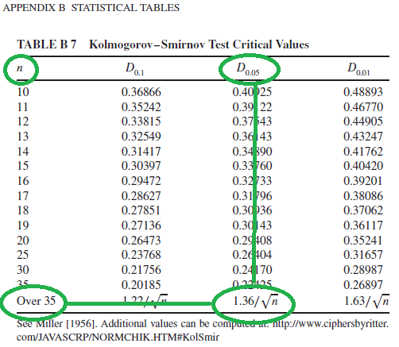
0.224 | 93 | 0.92 | 0.93 | 0.01 | 0.92 | 0
0.474 | 94 | 0.931 | 0.94 | 0.009 | 0.93 | 0.001
0.521 | 95 | 0.933 | 0.95 | 0.017 | 0.94 | -0.007
0.777 | 96 | 0.938 | 0.96 | 0.022 | 0.95 | -0.012
0.764 | 97 | 0.94 | 0.97 | 0.03 | 0.96 | -0.02
0.144 | 98 | 0.951 | 0.98 | 0.029 | 0.97 | -0.019
 | 99 | 0.952 | 0.99 | 0.038 | 0.98 | -0.028
 | 100 | 0.971 | 1 | 0.029 | 0.99 | -0.019

 |  |  | D+ | 0.038 |  | 0.108 | D-

 |  |  |  | D=max{D+,D-} |  | 0.108 |  | from table | D(0.05) | 0.136

 |  |  |  |  |  |  |  |  | D(0.05)>D
 |  |  |  |  |  |  |  |  | H0 is not rejected

