L2
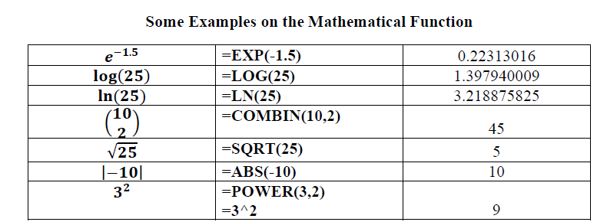

 |  |  |  | number of children
 |  |  |  | 2
 |  |  |  | 3
 |  |  |  | 2
 |  |  |  | 2
 |  |  |  | 0
 |  |  |  | 2
 |  |  |  | 3
 |  |  |  | 6
 |  |  |  | 3
 |  |  |  | 2
 |  |  |  | 2
 |  |  |  | 4
 |  |  |  | 3
 |  |  |  | 1
 |  |  |  | 3
Frequency Table : |  |  |  | 3
 | number of children | Freq. |  | 3
 | 0 |  |  | 2
 | 1 |  |  | 1
 | 2 |  |  | 5
 | 3
 | 4
 | 5
 | 6

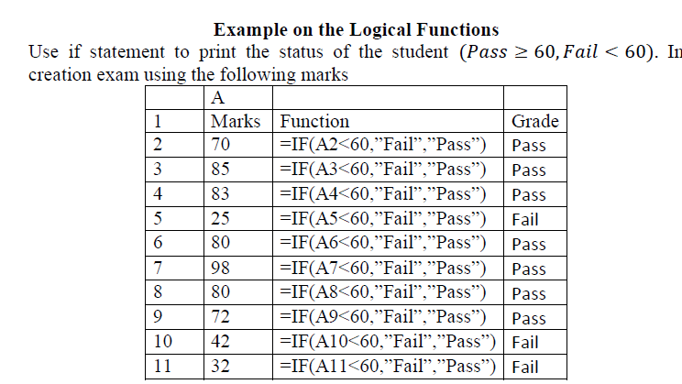
 |  |  | Marks | Grade
 |  |  | 70
 |  |  | 85
 |  |  | 83
 |  |  | 25
 |  |  | 80
 |  |  | 98
 |  |  | 80
 |  |  | 72
 |  |  | 42
 |  |  | 32

L3-Descriptive Statistics
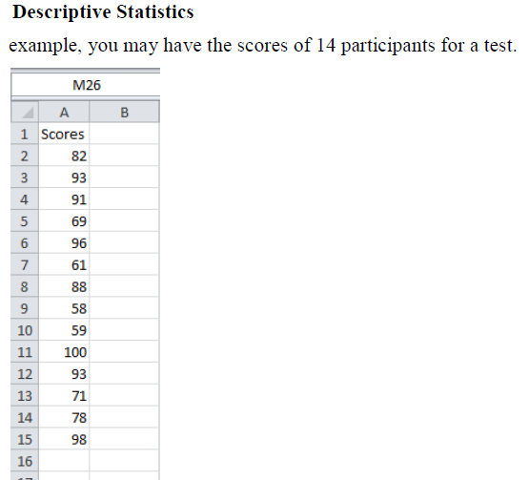
Scores
82
93
91
69
96
61
88
58
59
100
93
71
78
98

L3-one way ANOVA
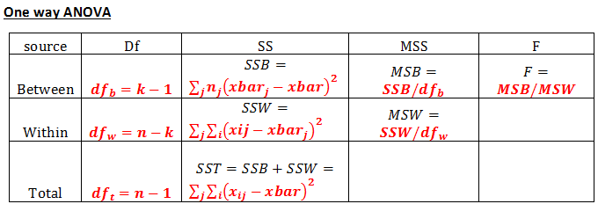

economics | medicine | history
42 | 69 | 35
53 | 54 | 40
49 | 58 | 53
53 | 64 | 42 | Anova: Single Factor
43 | 64 | 50
44 | 55 | 39 | SUMMARY
45 | 56 | 55 | Groups | Count | Sum | Average | Variance
52 |  | 39 | economics | 9 | 435 | 48.333333333 | 23.5
54 |  | 40 | medicine | 7 | 420 | 60 | 32.333333333
 |  |  | history | 9 | 393 | 43.666666667 | 50.5

 |  |  | ANOVA
 |  |  | Source of Variation | SS | df | MS | F | P-value | F crit
 |  |  | Between Groups | 1085.84 | 2 | 542.92 | 15.196234097 | 7.1563578072E-05 | 3.4433567794
 |  |  | Within Groups | 786 | 22 | 35.727272727

 |  |  | Total | 1871.84 | 24

L3-ANOVA two ways with
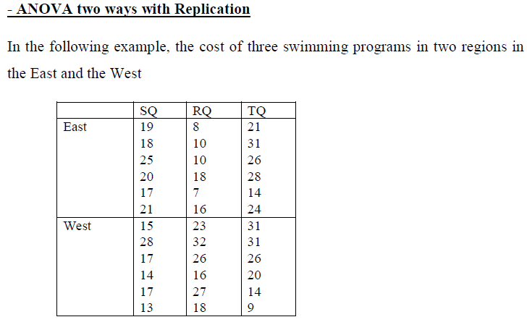
 | SQ | RQ | TQ
East | 19 | 8 | 21
 | 18 | 10 | 31
 | 25 | 10 | 26
 | 20 | 18 | 28
 | 17 | 7 | 14
 | 21 | 16 | 24
West | 15 | 23 | 31
 | 28 | 32 | 31
 | 17 | 26 | 26
 | 14 | 16 | 20
 | 17 | 27 | 14
 | 13 | 18 | 9

 |  |  | Anova: Two-Factor With Replication

 |  |  | SUMMARY | SQ | RQ | TQ | Total
 |  |  | East
 |  |  | Count | 6 | 6 | 6 | 18
 |  |  | Sum | 120 | 69 | 144 | 333
 |  |  | Average | 20 | 11.5 | 24 | 18.5
 |  |  | Variance | 8 | 19.9 | 35.6 | 47.441176471

 |  |  | West
 |  |  | Count | 6 | 6 | 6 | 18
 |  |  | Sum | 104 | 142 | 131 | 377
 |  |  | Average | 17.333333333 | 23.666666667 | 21.833333333 | 20.944444444
 |  |  | Variance | 29.866666667 | 35.466666667 | 82.966666667 | 51.114379085

 |  |  | Total
 |  |  | Count | 12 | 12 | 12
 |  |  | Sum | 224 | 211 | 275
 |  |  | Average | 18.666666667 | 17.583333333 | 22.916666667
 |  |  | Variance | 19.151515152 | 65.537878788 | 55.174242424

 |  |  | ANOVA
 |  |  | Source of Variation | SS | df | MS | F | P-value | F crit
 |  |  | Sample | 53.777777778 | 1 | 53.777777778 | 1.5234497954 | 0.22667976421 | 4.1708767858
 |  |  | Columns | 190.72222222 | 2 | 95.361111111 | 2.7014479068 | 0.08341362892 | 3.315829501
 |  |  | Interaction | 425.72222222 | 2 | 212.86111111 | 6.0300598048 | 0.0062916024076 | 3.315829501
 |  |  | Within | 1059 | 30 | 35.3

 |  |  | Total | 1729.2222222 | 35

L3-ANOVA two ways without
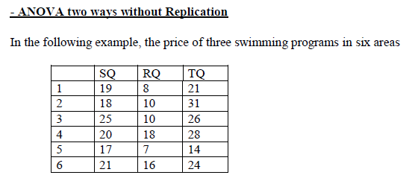
 | SQ | RQ | TQ
1 | 19 | 8 | 21
2 | 18 | 10 | 31
3 | 25 | 10 | 26
4 | 20 | 18 | 28
5 | 17 | 7 | 14
6 | 21 | 16 | 24

L4-F test
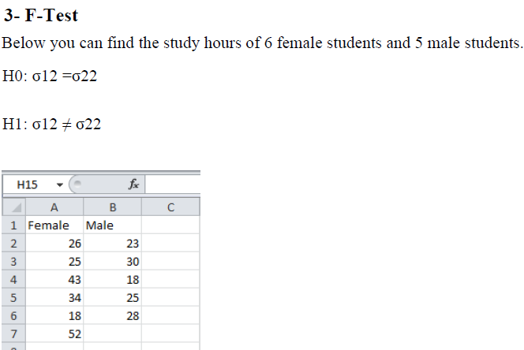
 | Female | Male
 | 26 | 23
 | 25 | 30
 | 43 | 18
 | 34 | 25
 | 18 | 28
 | 52
Sample Variance: | 160 | 21.7

L4-t test
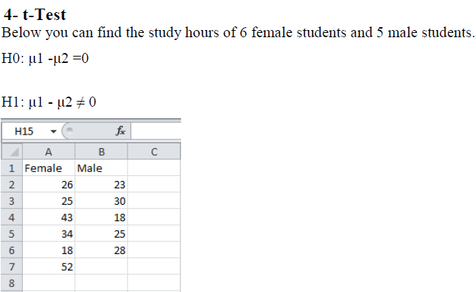
Female | Male
26 | 23
25 | 30
43 | 18
34 | 25
18 | 28
52

L4 - t test paird
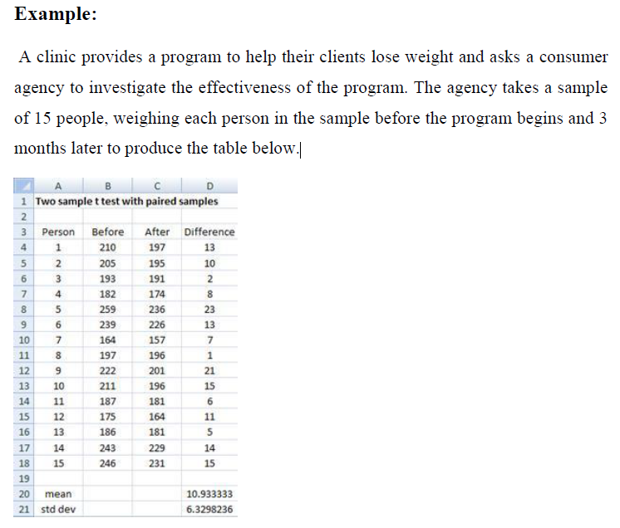
Before | After
210 | 197
205 | 195
193 | 191
182 | 174
259 | 236
239 | 226
164 | 157
197 | 196
222 | 201
211 | 196
187 | 181
175 | 164
186 | 181
243 | 229
246 | 231

L5-Correlation
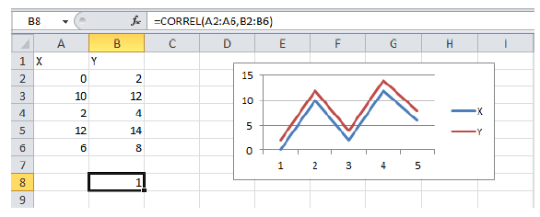
X | Y
0 | 2 |  |  |  | X | Y
10 | 12 |  |  | X | 1
2 | 4 |  |  | Y | 1 | 1
12 | 14
6 | 8

correlation coefficient |  |  | 1

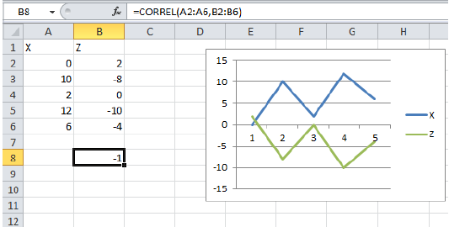
X | Z
0 | 2
10 | -8
2 | 0
12 | -10
6 | -4

correlation coefficient

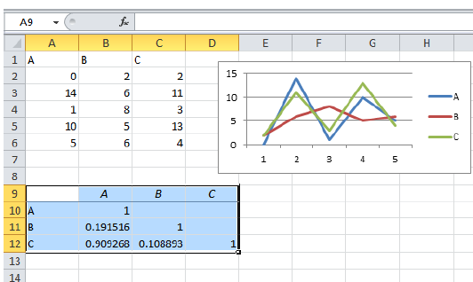

A | B | C
0 | 2 | 2
14 | 6 | 11
1 | 8 | 3
10 | 5 | 13
5 | 6 | 4

L5-Regression
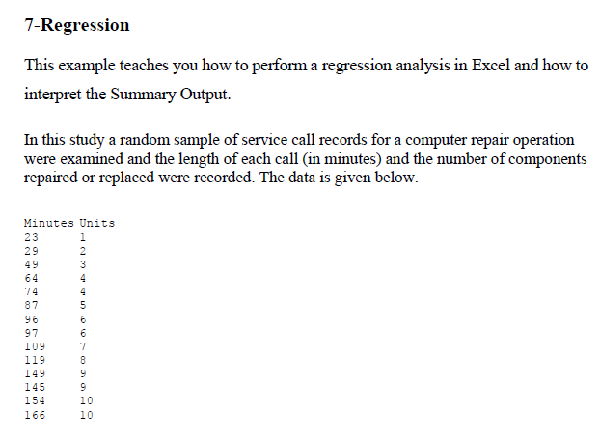
Min | Units
23 | 1
29 | 2
49 | 3
64 | 4
74 | 4
87 | 5
96 | 6
97 | 6
109 | 7
119 | 8
149 | 9
145 | 9
154 | 10
166 | 10

L6-Plots
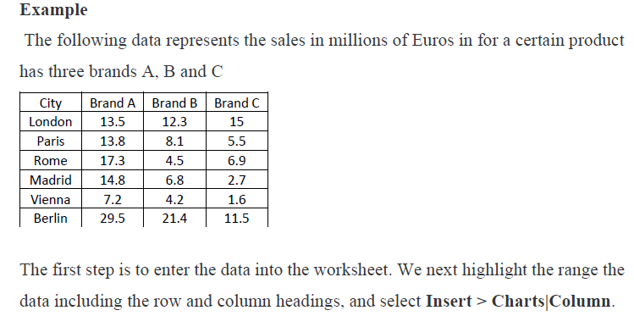
City | Brand A | Brand B | Brand C
London | 13.5 | 12.3 | 15
Paris | 13.8 | 8.1 | 5.5
Rome | 17.3 | 4.5 | 6.9
Madrid | 14.8 | 6.8 | 2.7
Vienna | 7.2 | 4.2 | 1.6
Berlin | 29.5 | 21.4 | 11.5

L6-Histogram
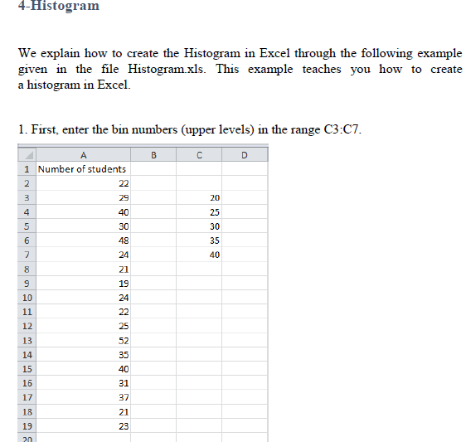
No. of students | Bins(Upper levels)
22 | 20
29 | 25
40 | 30
30 | 40
48
24
Histogram
21 | Bins(Upper levels) | Frequency
19 | 0-20 | 1
24 | 25 | 8
22 | 30 | 2
25 | 40 | 5
52 | More | 2
35
40
31
37
21
23

L7 - Matrices
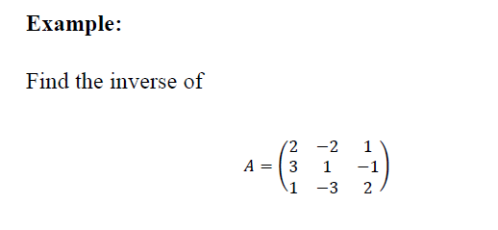
 |  |  | 2 | -2 | 1
 |  | A= | 3 | 1 | -1
 |  |  | 1 | -3 | 2 |  |  |  |  | 2 | 3 | 1
 |  |  |  |  |  |  |  |  |  | 1 | 1 | 2
 | use minverse (A) |  |  |  |  |  |  |  |  | 2 | 3 | 4
 |  | A inverse | -0.5 | 0.5 | 0.5
 |  |  | -3.5 | 1.5 | 2.5 |  |  |  |  | 0.66666666667 | 3 | -1.6666666667
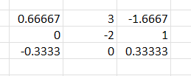
 |  |  | -5 | 2 | 4 |  |  |  |  | 0 | -2 | 1
 |  |  |  |  |  |  |  |  |  | -0.33333333333 | 0 | 0.33333333333

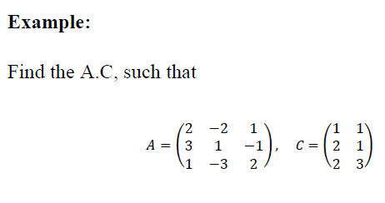

 | A= | 2 | -2 | 1 |  |  | C= | 1 | 1
 |  | 3 | 1 | -1 |  |  |  | 2 | 1
 |  | 1 | -3 | 2 |  |  |  | 2 | 3

use TRANSPOSE(A )
 | A^t | 2 | 3 | 1
 |  | -2 | 1 | -3
 |  | 1 | -1 | 2

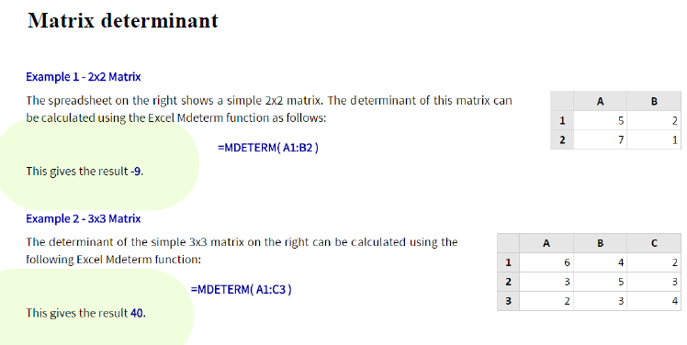

 |  |  |  |  | 5 | 2
 |  |  |  |  | 7 | 1

 |  |  |  |  | 6 | 4 | 2
 |  |  |  |  | 3 | 5 | 3
 |  |  |  |  | 2 | 3 | 4

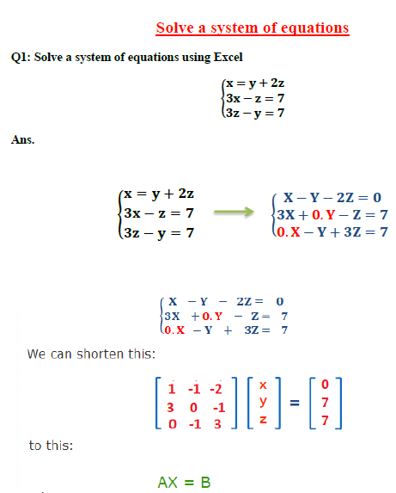

 | A= | 1 | -1 | -2 |  |  | B= | 0
 |  | 3 | 0 | -1 |  |  |  | 7
 |  | 0 | -1 | 3 |  |  |  | 7

use minverse (A)
 | A inverse

use mmult (A inverse ,B)
 |  | X=

