L2
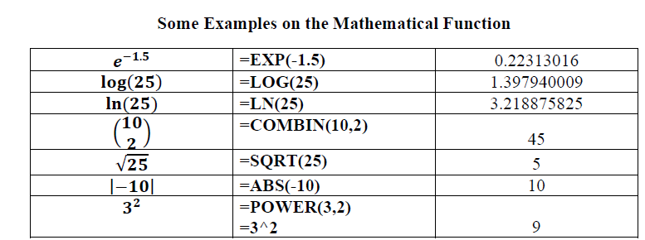

 |  |  |  | number of children
 |  |  |  | 2
 |  |  |  | 3
 |  |  |  | 2
 |  |  |  | 2
 |  |  |  | 0
 |  |  |  | 2
 |  |  |  | 3
 |  |  |  | 6
 |  |  |  | 3
 |  |  |  | 2
 |  |  |  | 2
 |  |  |  | 4
 |  |  |  | 3
 |  |  |  | 1
 |  |  |  | 3
Frequency Table : |  |  |  | 3
 | number of children | Freq. |  | 3
 | 0 |  |  | 2
 | 1 |  |  | 1
 | 2 |  |  | 5
 | 3
 | 4
 | 5
 | 6

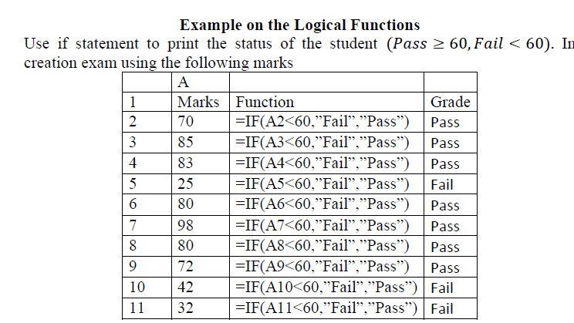
 |  |  | Marks | Grade
 |  |  | 70
 |  |  | 85
 |  |  | 83
 |  |  | 25
 |  |  | 80
 |  |  | 98
 |  |  | 80
 |  |  | 72
 |  |  | 42
 |  |  | 32

L3-Descriptive Statistics
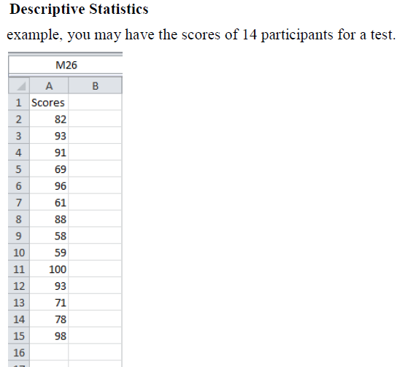
Scores
82
93
91
69
96
61
88
58
59
100
93
71
78
98

L3-one way ANOVA
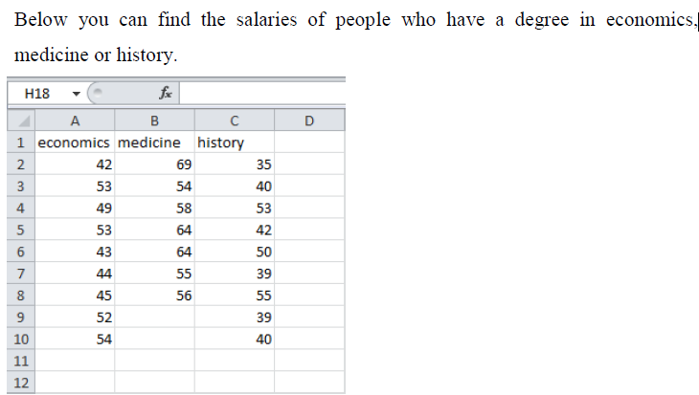
economics | medicine | history
42 | 69 | 35
53 | 54 | 40
49 | 58 | 53
53 | 64 | 42
43 | 64 | 50
44 | 55 | 39
45 | 56 | 55
52 |  | 39
54 |  | 40

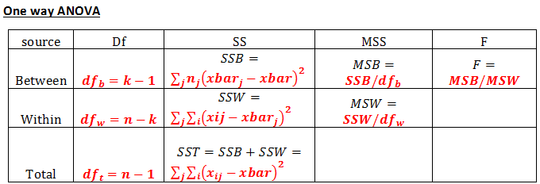

L3-ANOVA two ways with
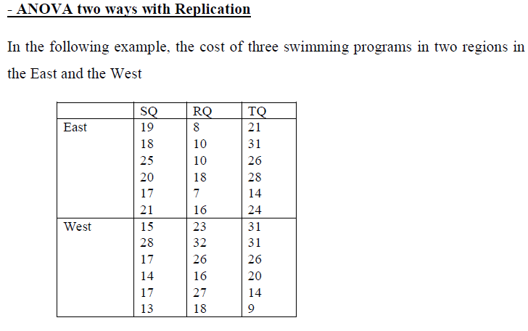
 | SQ | RQ | TQ
East | 19 | 8 | 21
 | 18 | 10 | 31
 | 25 | 10 | 26
 | 20 | 18 | 28
 | 17 | 7 | 14
 | 21 | 16 | 24
West | 15 | 23 | 31
 | 28 | 32 | 31
 | 17 | 26 | 26
 | 14 | 16 | 20
 | 17 | 27 | 14
 | 13 | 18 | 9

 | 4.1708767858

 | 0.23926782805

L3-ANOVA two ways without
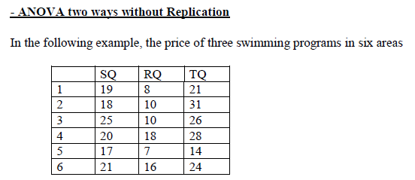
 | SQ | RQ | TQ
1 | 19 | 8 | 21
2 | 18 | 10 | 31
3 | 25 | 10 | 26
4 | 20 | 18 | 28
5 | 17 | 7 | 14
6 | 21 | 16 | 24

L4-F test
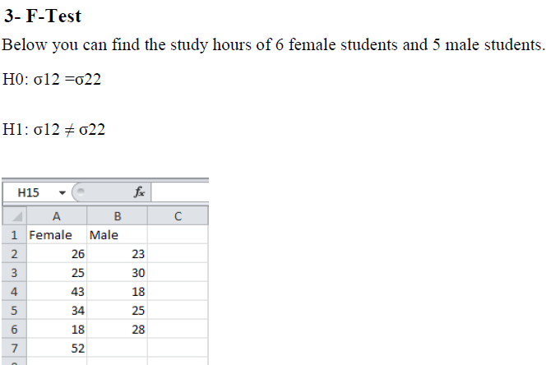
Female | Male
26 | 23
25 | 30
43 | 18
34 | 25
18 | 28
52

L4-t test
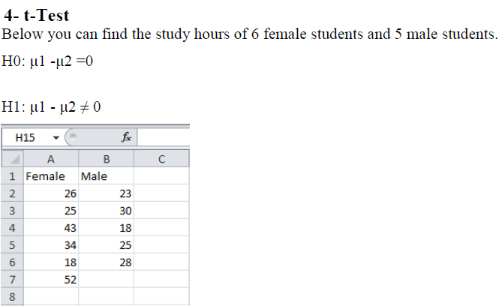
Female | Male
26 | 23
25 | 30
43 | 18
34 | 25
18 | 28
52

L4 - t test paird
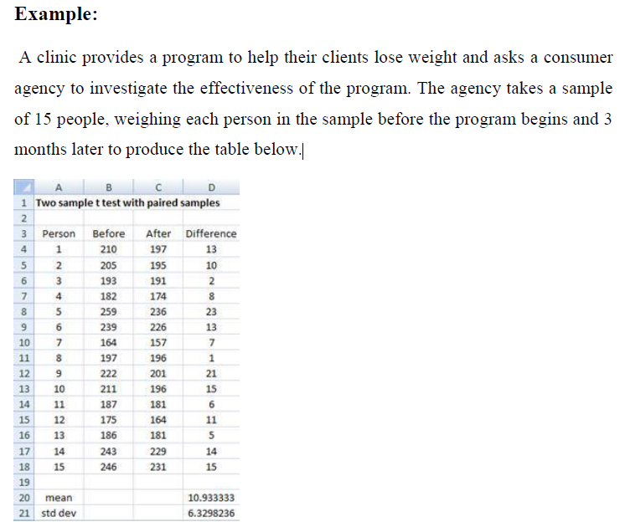
Before | After
210 | 197
205 | 195
193 | 191
182 | 174
259 | 236
239 | 226
164 | 157
197 | 196
222 | 201
211 | 196
187 | 181
175 | 164
186 | 181
243 | 229
246 | 231

L5-Correlation
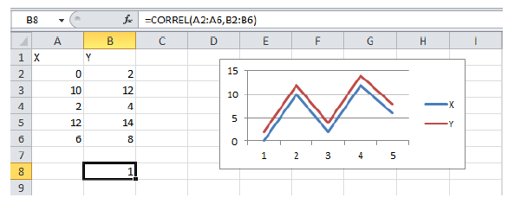
X | Y
0 | 2
10 | 12
2 | 4
12 | 14
6 | 8

correlation coefficient

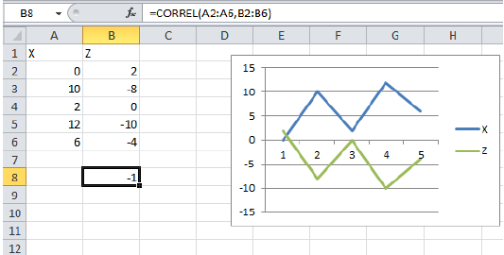
X | Z
0 | 2
10 | -8
2 | 0
12 | -10
6 | -4

correlation coefficient

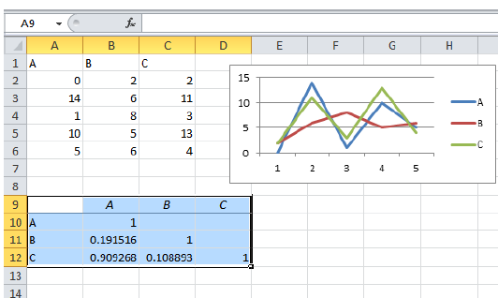

A | B | C
0 | 2 | 2
14 | 6 | 11
1 | 8 | 3
10 | 5 | 13
5 | 6 | 4

L5-Regression
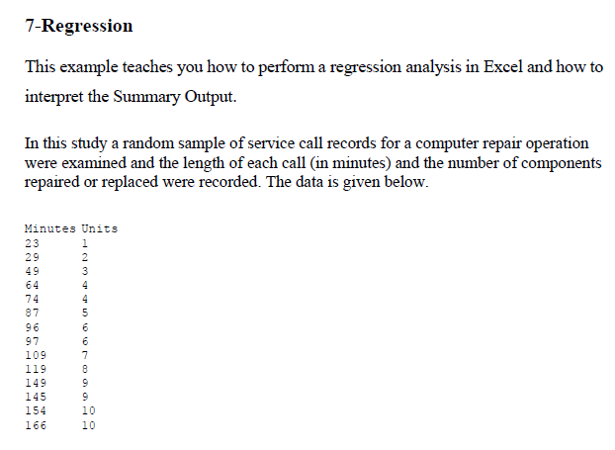
Min | Units
23 | 1
29 | 2
49 | 3
64 | 4
74 | 4
87 | 5
96 | 6
97 | 6
109 | 7
119 | 8
149 | 9
145 | 9
154 | 10
166 | 10

L6-Plots
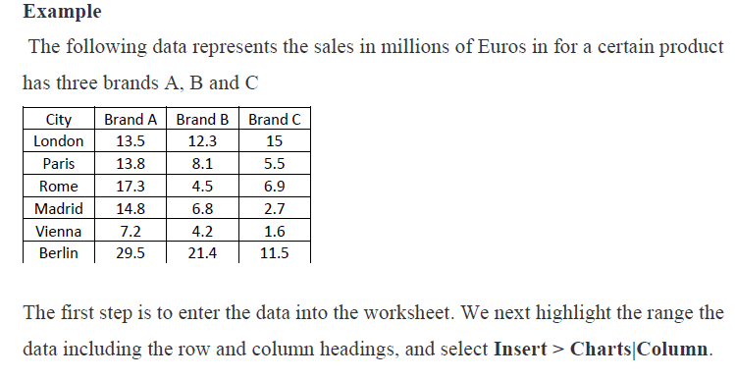
City | Brand A | Brand B | Brand C
London | 13.5 | 12.3 | 15
Paris | 13.8 | 8.1 | 5.5
Rome | 17.3 | 4.5 | 6.9
Madrid | 14.8 | 6.8 | 2.7
Vienna | 7.2 | 4.2 | 1.6
Berlin | 29.5 | 21.4 | 11.5

L6-Histogram
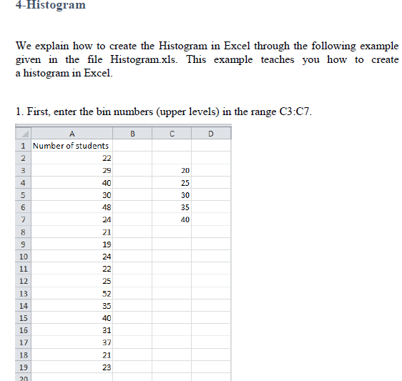
No. of students | Bins(Upper levels)
22 | 20
29 | 25
40 | 30
30 | 40
48
24
21
19
24
22
25
52
35
40
31
37
21
23

L7 - Matrices
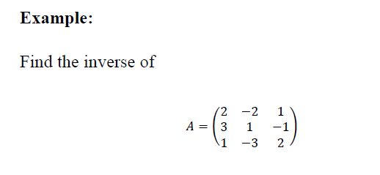
 |  |  | 2 | -2 | 1
 |  | A= | 3 | 1 | -1
 |  |  | 1 | -3 | 2

 | use minverse (A)
 |  | A inverse

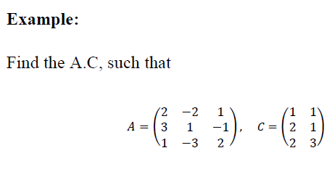

 | A= | 2 | -2 | 1 |  |  | C= | 1 | 1
 |  | 3 | 1 | -1 |  |  |  | 2 | 1
 |  | 1 | -3 | 2 |  |  |  | 2 | 3

use mmult (A ,B)
 | A.C

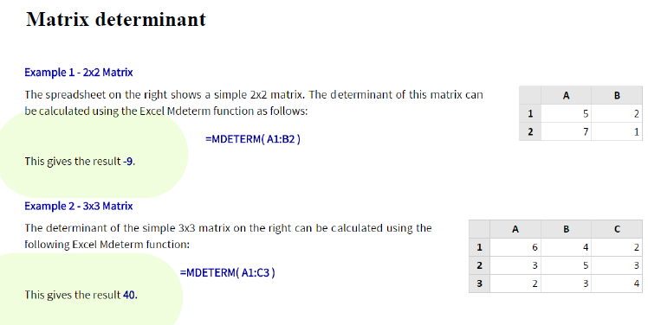

 |  |  |  |  | 5 | 2
 |  |  |  |  | 7 | 1

 |  |  |  |  | 6 | 4 | 2
 |  |  |  |  | 3 | 5 | 3
 |  |  |  |  | 2 | 3 | 4

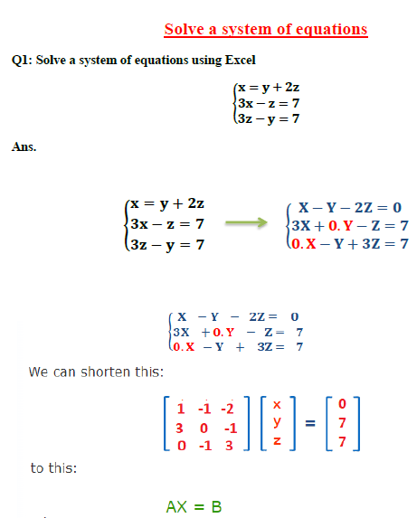

 | A= | 1 | -1 | -2 |  |  | B= | 0
 |  | 3 | 0 | -1 |  |  |  | 7
 |  | 0 | -1 | 3 |  |  |  | 7

use minverse (A)
 | A inverse

use mmult (A inverse ,B)
 |  | X=

