Sheet1
Analyte | tR (min) | w0.5 (min) | N/15cm (colum) | N/m | tS (min) | k | α | H (mm) | RS | tM
pyrene | 2.27 | 0.18 | 881.08228395 | 8810.8228395 | 0.62 | 0.37575757576 |  | 0.17024516635 | --- | 1.65
indene | 6.58 | 0.28 | 3059.465 | 30594.65 | 4.93 | 2.9878787879 | 7.9516129032 | 0.049028179763 | 11.056086957 | 1.65
naphthalene | 8.17 | 0.41 | 2199.8150268 | 21998.150268 | 6.52 | 3.9515151515 | 1.322515213 | 0.068187551305 | 2.7191304348 | 1.65
acenaphthylene | 12.73 | 0.53 | 3196.0593307 | 31960.593307 | 11.08 | 6.7151515152 | 1.6993865031 | 0.046932795821 | 5.7242553191 | 1.65
fluorene | 14.62 | 0.57 | 3644.6413543 | 36446.413543 | 12.97 | 7.8606060606 | 1.1705776173 | 0.041156312904 | 2.0274545455 | 1.65
phenanthrene | 18.91 | 0.46 | 9362.1837146 | 93621.837146 | 17.26 | 10.460606061 | 1.3307632999 | 0.01602190307 | 4.9147572816 | 1.65
anthracene | 20.54 | 0.49 | 9734.6083465 | 97346.083465 | 18.89 | 11.448484848 | 1.094438007 | 0.015408940418 | 2.0246315789 | 1.65

$$tS= t_{R }‒ t_{M}$$
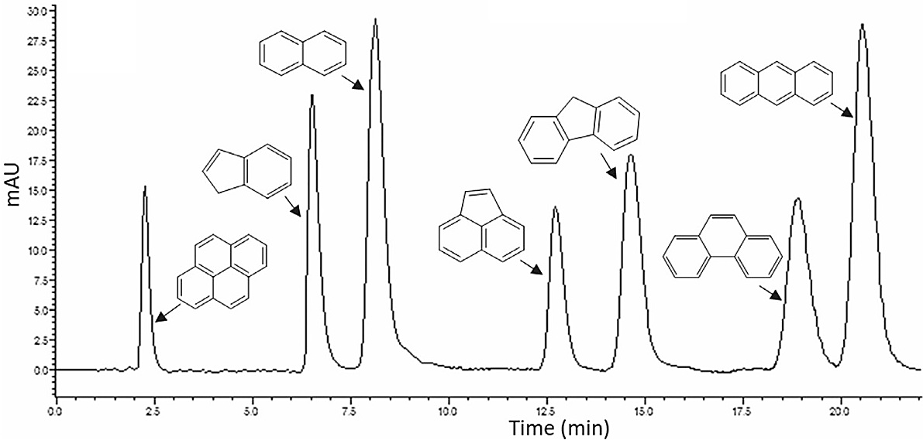

$k= \frac{V_{R }− V_{M}}{V_{M}} = \frac{t_{R }‒ t_{M}}{t_{M}}$ $= \frac{t_{S }}{t_{M}}$

$$α= \frac{k_{B}}{k_{A}} = \frac{t_{RB }− t_{M}}{t_{RA }− t_{M}}$$

$R_{s}=2 \frac{t_{RB }− t_{RA}}{w_{A }+ w_{B}}$ = $1.18 \frac{t_{RB }− t_{RA}}{w_{\left(\frac{1}{2}\right)A }+ w_{\left(\frac{1}{2}\right)B}}$

$N=\left( \frac{t_{R}}{σ}\right)$² $=16\left( \frac{t_{R}}{w}\right)$² = $5.54\left( \frac{t_{R}}{w1/2}\right)$²

$$H= \frac{L}{N}$$

Sheet2
Analyte | tR (min) | w0.5 (min) | N/15cm (colum) | N/m | tS (min) | k | α | H (mm) | RS | tM
p-xylene | 5.67 | 0.7 | 363.4794 | 2423.196 | 1.87 | 0.49210526316 |  | 0.41267813252 | --- | 3.8
m-xylene | 7.23 | 0.82 | 430.68391731 | 2871.2261154 | 3.43 | 0.90263157895 | 1.8342245989 | 0.3482832629 | 1.2110526316 | 3.8
o-xylene | 10.18 | 1.02 | 551.82958093 | 3678.8638729 | 6.38 | 1.6789473684 | 1.860058309 | 0.27182305042 | 1.8918478261 | 3.8

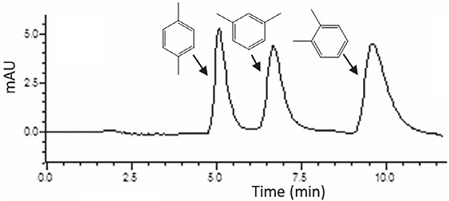
$$tS= t_{R }‒ t_{M}$$

$k= \frac{V_{R }− V_{M}}{V_{M}} = \frac{t_{R }‒ t_{M}}{t_{M}}$ $= \frac{t_{S }}{t_{M}}$

$$α= \frac{k_{B}}{k_{A}} = \frac{t_{RB }− t_{M}}{t_{RA }− t_{M}}$$

$R_{s}=2 \frac{t_{RB }− t_{RA}}{w_{A }+ w_{B}}$ = $1.18 \frac{t_{RB }− t_{RA}}{w_{\left(\frac{1}{2}\right)A }+ w_{\left(\frac{1}{2}\right)B}}$

$N=\left( \frac{t_{R}}{σ}\right)$² $=16\left( \frac{t_{R}}{w}\right)$² = $5.54\left( \frac{t_{R}}{w1/2}\right)$²

$$H= \frac{L}{N}$$

Sheet3
Analyte | tR (min) | w0.5 (min) | N/15cm (colum) | N/m | tS (min) | k | α | H (mm) | RS | tM
theobromine | 8.51 | 0.24 | 6965.4054514 | 46436.036343 | 5.31 | 1.5787878788 |  | 0.021534999082 | --- | 3.2
theophylline | 10.46 | 0.41 | 3605.8314337 | 24038.876224 | 7.26 | 2.1696969697 | 1.3672316384 | 0.041599282373 | 3.54 | 3.2
caffeine | 16.72 | 0.66 | 3555.4488889 | 23702.992593 | 13.52 | 4.0666666667 | 1.8622589532 | 0.042188765663 | 6.9035514019 | 3.2

$$tS= t_{R }‒ t_{M}$$
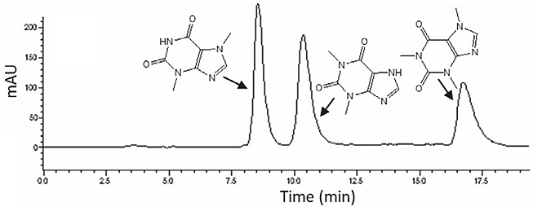

$k= \frac{V_{R }− V_{M}}{V_{M}} = \frac{t_{R }‒ t_{M}}{t_{M}}$ $= \frac{t_{S }}{t_{M}}$

$$α= \frac{k_{B}}{k_{A}} = \frac{t_{RB }− t_{M}}{t_{RA }− t_{M}}$$

$R_{s}=2 \frac{t_{RB }− t_{RA}}{w_{A }+ w_{B}}$ = $1.18 \frac{t_{RB }− t_{RA}}{w_{\left(\frac{1}{2}\right)A }+ w_{\left(\frac{1}{2}\right)B}}$

$N=\left( \frac{t_{R}}{σ}\right)$² $=16\left( \frac{t_{R}}{w}\right)$² = $5.54\left( \frac{t_{R}}{w1/2}\right)$²

$$H= \frac{L}{N}$$

Sheet4
Van Deemter curves

 | propylbenzene | naphthalene | fluorine | chrysene
Flow rate (mL/min) | H (µm) | H (µm) | H (µm) | H (µm)
0.1 | 32.01 | 48.34 | 66.76 | 35.63
0.15 | 28.66 | 42.62 | 51.95 | 19.95
0.2 | 20.2 | 42.13 | 32.42 | 9.09
0.25 | 19.02 | 39.49 | 28.3 | 9.59
0.3 | 19.86 | 39.6 | 37.21 | 9.58
0.35 | 28.09 | 44.01 | 46.4 | 12.63
0.4 | 34.27 | 57.97 | 56.54 | 22.62
0.45 | 48.43 | 70.18 | 60.77 | 32.96
0.5 | 55.1 | 76.84 | 74.34 | 43.73

