Sheet1
External calibration curve (calibration curve method)
Ordinary Least Squares Regression

conc. (ppm) | Ā
0 | 0
1 | 63404
5 | 201008
10 | 304370
50 | 1127356
100 | 2104190
200 | 4085944

Unknown | 1547534

unknwn conc | 73.146149271

Sheet2
Standard Addition Method

tea 0.03g
added vol (mL) | added conc (ppm) | A
0 | 0 | 1750599
1 | 33.33 | 2283373
1.5 | 42.8 | 2531393
2 | 50 | 2679943
 | 100 | 3505603
coffee 0.03g
added vol (mL) | added conc (ppm) | A
0 | 0 | 956990
1 | 33.33 | 1575221
1.5 | 42.8 | 1702422
2 | 50 | 1850561
 | 100 | 2804510
cocoa 0.03g
added vol (mL) | added conc (ppm) | A
0 | 0 | 730437
1 | 33.33 | 1439585
1.5 | 42.8 | 1604471
2 | 50 | 1747117
 | 100 | 2602658
mean of three injections
added conc. = 100ppm |  |  | The straight line is extrapolated on conc. Axis
0.03g of each sample - 30min sonication - filtration - take 2mL of each filtrate - add apropriate amount (0 ,1 ,1.5 ,2mL) of specific caffeine conc. (100ppm)

unspiked (0mL added)
 | Ā | conc. (ppm)
tea 0.03g | 1750599 | 96.127664311

coffee 0.03g | 956990 | 51.9622127

cocoa 0.03g | 730437 | 39.354221159

Sheet3
Internal Standardization (Internal standard addition)

 |  |  | Myrcene
 |  |  |  |  |  | X | Y
 | C | A of Hex | A of Myr | C(ppm)Hex | C(ppm) Myr | C(ppm) Myr/C(ppm)Hex | A Myr/A Hex
 | 1 | 71138579 | 71846018 | 1.587875 | 1.9244 | 1.2119341888 | 1.0099445197
 | 2 |  |  |  |  | 0.8996 | 0.7554
 | 3 | 83724448 | 37829773 | 1.8287875 | 0.9622 | 0.52614095405 | 0.45183663677
 | 4 |  |  |  |  | 0.3228 | 0.2713
 | 5 | 95708263 | 13714621 | 2.4727291667 | 0.32073333333 | 0.12970823399 | 0.14329610182
 | 6 | 118266220 | 3961204 | 2.2773763889 | 0.10691111111 | 0.046944857966 | 0.033493959645
 | 7 | 127314878 | 2285041 | 7.7535381944 | 0.053455555556 | 0.0068943434874 | 0.017947949493

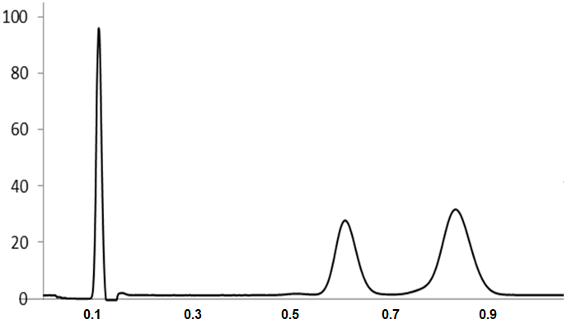

 |  |  | Limonene
 |  |  |  |  |  | X | Y
 | C | A of H | A of Lim | C(ppm)Hex | C(ppm) Lim | C(ppm)Lim/C(ppm)Hex | A Lim/A Hex
 | 1 | 71138579 | 89588595 | 1.587875 | 2.0402 | 1.2848618437 | 1.2593531704
 | 2 |  |  |  |  | 0.9255 | 0.9189
 | 3 | 83724448 | 48613317 | 1.8287875 | 1.0201 | 0.55780127544 | 0.58063466719
 | 4 |  |  |  |  | 0.35345732525 | 0.35074759027
 | 5 | 95708263 | 16735596 | 2.4727291667 | 0.34003333333 | 0.13751337507 | 0.17486051335
 | 6 | 118266220 | 8015071 | 2.2773763889 | 0.11334444444 | 0.04976974601 | 0.067771431268
 | 7 | 127314878 | 4175032 | 7.7535381944 | 0.056672222222 | 0.0073092078482 | 0.032792962343

Sheet4
Limit of Linearity (LOL)
Linear Regression Analysis (R2)

conc. (ppm) | Ā
0 | 0
1 | 63404
5 | 201008
10 | 304370
50 | 1127356
100 | 2104190
200 | 4085944
250 | 4717944
300 | 5168741

Sheet5
Limit of Detection (LOD) and Limit of Quantitation (LOQ)

conc. (ppm) | Ā | Formula: |  | Signal-to-noise ratios of (3:1) for LOD and (10:1) for LOQ
0 | 0 | 𝐿𝑂𝐷 = 3.3 × (𝜎 / 𝑆)
1 | 63404 |  |  | σ sigma (Standard Deviation): Use the standard deviation of the y-intercepts or the residual standard deviation (residual SD) of the regression line.
5 | 201008 | 𝐿𝑂𝑄 = 10 × (𝜎 / 𝑆) |  | 𝑆 (Slope): Calculate the slope of the calibration curve.
10 | 304370
50 | 1127356
100 | 2104190
200 | 4085944
 |  | LOD | 3.5629858182 |  |  | Coefficients | Standard Error
 |  |  |  |  | Intercept | 71591.188554 | 21785.996496
 |  | LOQ | 10.796926722 |  | X Variable 1 | 20177.960875 | 251.2616855

